STATISTICS - chart with data
39,400 homeowners have converted their mortgage loan in 1st quarter of 2022
Number of debters

Note: Borrowers with mortgage debt, in thousands. The homeowners have redeemed a fixed-rate mortgage loan in the duration of 1st quarter 2022 and taken a new mortgage with the same collateral. Instalment and interest rate are based on the borrower’s largest loan. Rounding off can result in small deviations in sums and totals.
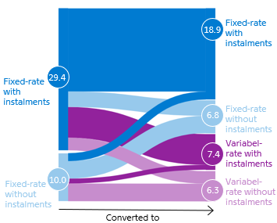
 |  | Converted from
 |  | Fixed-rate with instalments | Fixed-rate without instalments | Total
Converted to | Fixed-rate with instalments | 17,200 | 1,700 | 18,900
 | Fixed-rate without instalments | 3,200 | 3,600 | 6,800
 | Variabel-rate with installments | 6,400 | 1,000 | 7,400
 | Variabel-rate without installments | 2,600 | 3,700 | 6,300
 | Total | 29,400 | 10,000 | 39,400

 |  |  |  |  | Behind the data: The data is a special extraction and cannot be recreated directly in Danmarks Nationalbank's Stabank.

