Chart 1
Half of all inward FDI in Denmark passes through transit countries

Kr. billion | Directly-owned investments in Denmark | Indirectly-owned investments in Denmark
2015 | 318.9 | 309.3
2016 | 354.8 | 346.2
2017 | 387.7 | 338.5
2018 | 363.4 | 336.3

Note: The chart shows total inward FDI in Denmark. The dark blue areas indicate that the first counterparty country is also the ultimate investor country. The light blue areas indicate that the immediate counterparty country is different from the ultimate investor country, i.e. the investments pass through transit countries. The directional approach has been applied and Danish pass-through holding companies have been eliminated.
Source: Danmarks Nationalbank

Chart 2
Inward FDI in Denmark often passes through the Netherlands and Luxembourg, but ultimately the USA is a large-scale investor

 | Ultimate investor country | First counterparty country
Denmark | 17.8
Switzerland | 15.3 | 16.9
Ireland | 3.0 | 17.7
USA | 202.4 | 30.4
France | 46.0 | 37.4
Germany | 48.9 | 40.3
Luxembourg | 4.4 | 63.8
UK | 70.0 | 73.2
Norway | 43.9 | 80.0
Sweden | 72.4 | 105.0
Netherlands | 18.6 | 108.8
Kr. billion | First counterparty country | Ultimate investor country
Denmark |  | 17.8
Switzerland | 16.9 | 15.3
Ireland | 17.7 | 3.0
USA | 30.4 | 202.4
France | 37.4 | 46.0
Germany | 40.3 | 48.9
Luxembourg | 63.8 | 4.4
UK | 73.2 | 70.0
Norway | 80.0 | 43.9
Sweden | 105.0 | 72.4
Netherlands | 108.8 | 18.6

Note: The chart shows inward FDI in Denmark in 2018, compiled by immeidate counterparty country and ultimate investor country, respectively. The directional approach has been applied and Danish pass-through holding companies have been eliminated.
Source: Danmarks Nationalbank

Chart 3
FDI in Denmark passes through Luxembourg and the Netherlands

Immediate counterparty country | Ultimate investor country | Amount, immediate counterparty country (kr. billion) | Amount, ultimate investor country (kr. billion)
Netherlands | Netherlands | 109 | 17
Netherlands | UK | 109 | 8
Netherlands | USA | 109 | 55
Netherlands | Rest of the world | 109 | 29
Luxembourg | Netherlands | 64 | 0
Luxembourg | UK | 64 | 5
Luxembourg | USA | 64 | 31
Luxembourg | Rest of the world | 64 | 28

Note: The chart shows inward FDI from the Netherlands and Luxembourg broken down by ultimate investor country. The directional approach has been applied and Danish pass-through holding companies have been eliminated.
Source: Danmarks Nationalbank

Luxembourg
Kr. 64 bn.
Rest of the world
USA
UK
Netherlands
Netherlands
Kr. 109 bn.
Kr. 31 bn.
Kr. 55 bn.
Kr. 28 bn.
Kr. 29 bn.
Immediate counterpart country
Ultimate investor country
Kr. 17 bn.

Chart 4
Inward FDI in the OECD countries often passes through the Netherlands and Luxembourg, but ultimately the USA is a large-scale investor

Per cent | Immediate counterparty country | Ultimate investor country
Ireland | 1.5 | 3.9
USA | 4.6 | 12.8
Canada | 5.0 | 6.8
France | 6.1 | 6.7
Japan | 6.4 | 6.9
Switzerland | 6.6 | 5.7
Germany | 7.1 | 9.6
UK | 11.1 | 11.6
Luxembourg | 13.9 | 2.8
Netherlands | 16.3 | 6.6

Note: The chart shows the largest ultimate investor countries and the largest investor countries by immediate counterparty, respectively, as a share of aggregate inward FDI in Austria, Brazil, the Czech Republic, Estonia, France, Germany, Hungary, Iceland, Italy, Lithuania, Poland, Switzerland, Turkey and the USA. The directional approach has been applied and pass-through investments have been eliminated.
Source: OECD

Chart 5
Danish outward FDI, 2018

Note: Compiled by immediate counterparty country. The directional approach has been applied and Danish pass-through holding companies have been eliminated. The light grey areas are countries for which data is collected but not published.
Source: Danmarks Nationalbank.

 | Danish outward FDI
Sweden | 188.8
UK | 181.1
Germany | 150.8
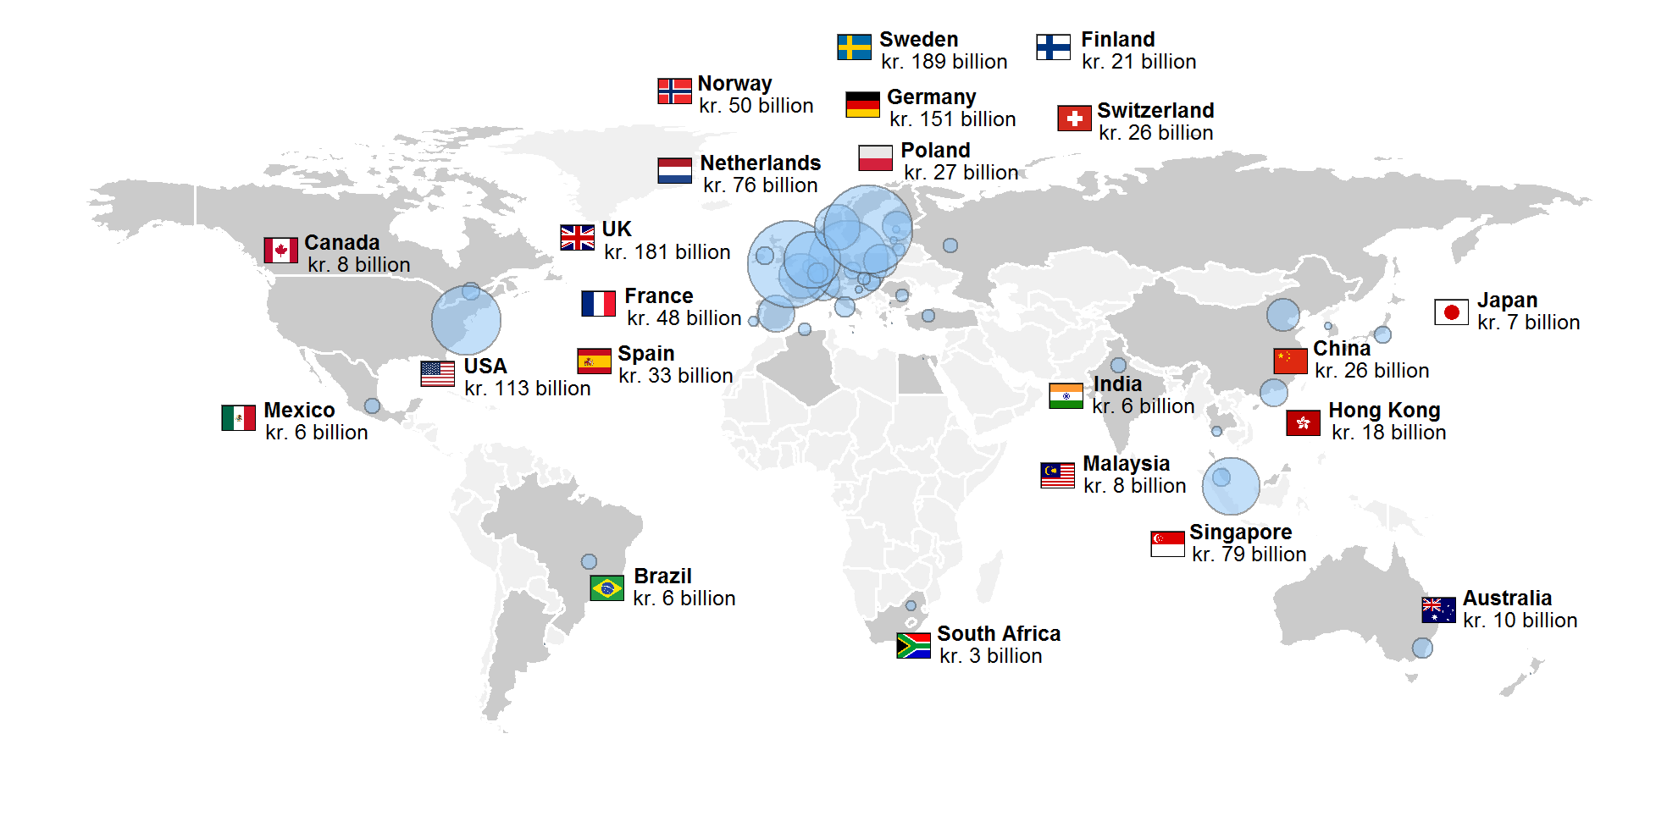
USA | 112.5
Singapore | 79.2
Netherlands | 75.8
Norway | 49.8
France | 48.3
Spain | 33.1
Poland | 27.0
Switzerland | 25.8
China | 25.8
Finland | 20.8
Hong Kong | 17.5
Italy | 10.4
Australia | 9.7
Luxembourg | 9.5
Canada | 8.1
Hungary | 8.1
Ireland | 7.8
Malaysia | 7.7
Japan | 7.0
Czech Republic | 6.6
Brazil | 6.4
India | 6.1
Mexico | 5.9
Belgium | 5.1
Russia | 4.9
Lithuania | 4.2
Slovakia | 4.0
Rumenia | 3.8
Turkey | 3.6
Algeria | 3.5
South Africa | 3.4
Thailand | 3.3
Portugal | 3.1
Korea (rep. korea) | 2.1
Latvia | 2.1
Croatia | 1.6
Estonia | 1.5
Greece | 1.5
Austria | 1.4
Bulgaria | 1.2
Egypt | 1.2
Argentina | 1.0
New Zealand | 0.8
Malta | 0.6
Cyprus | 0.4
Qatar | 0.4
Slovenia | 0.2

Chart 6
Compilation by ultimate host country shows higher Danish investment in emerging market and developing economies

 | Ultimate host country | Immediate counterparty country
Denmark | 1.8
Mexico | 3.0 | 0.6
China | 5.3 | 2.6
Hong Kong | 3.1 | 3.0
Finland | 3.0 | 3.0
Switzerland | 2.4 | 3.6
Norway | 2.1 | 4.0
USA | 5.9 | 5.5
Netherlands | 3.5 | 10.5
Singapore | 8.8 | 11.8
Germany | 12.8 | 13.5
UK | 21.1 | 20.5
Per cent | Immediate counterparty country | Ultimate host country
Denmark |  | 1.8
Mexico | 0.6 | 3.0
China | 2.6 | 5.3
Hong Kong | 3.0 | 3.1
Finland | 3.0 | 3.0
Switzerland | 3.6 | 2.4
Norway | 4.0 | 2.1
USA | 5.5 | 5.9
Netherlands | 10.5 | 3.5
Singapore | 11.8 | 8.8
Germany | 13.5 | 12.8
UK | 20.5 | 21.1

Note: For confidentiality reasons, the amounts are stated as percentages of aggregate outward FDI for the 24 firms in the sample.
Source: Danmarks Nationalbank

Chart 8
Rate of return on foreign direct investment, 2005-18

 | Rate of return, outward FDI | Rate of return, inward FDI
05 | 11.3 | 11.1
06 | 11.0 | 10.3
07 | 12.2 | 10.8
08 | 10.6 | 6.8
09 | 7.3 | 5.2
10 | 8.7 | 8.7
11 | 7.9 | 7.1
12 | 7.4 | 5.0
13 | 7.2 | 7.0
14 | 8.1 | 5.9
15 | 8.2 | 5.7
16 | 7.5 | 6.3
17 | 7.5 | 6.4
18 | 7.5 | 5.6

Note: Rates of return are calculated exclusive of pass-through investments as the profit as a percentage of the average equity held during the year.
Source: Danmarks Nationalbank

