Figurdata
The interest rate (including mortgage administration fee) has increased by 0.11 percentage points in 2026

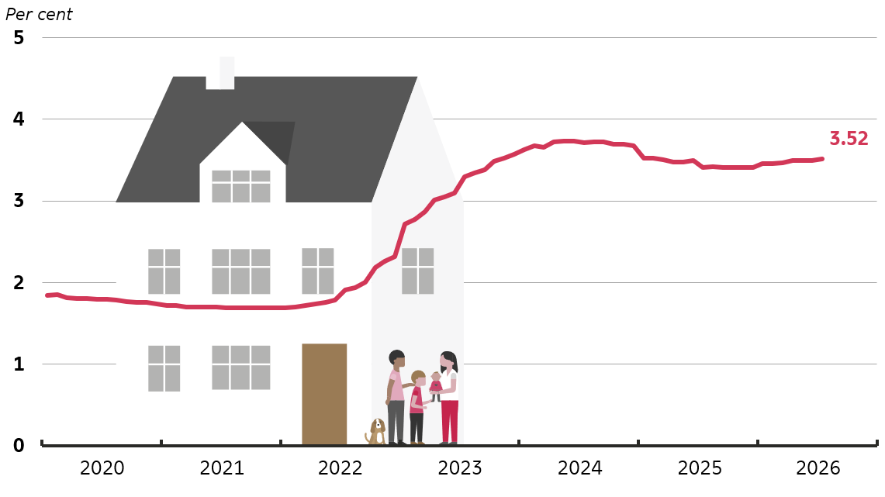
 | Interest rate (incl. administration fee), per cent p.a.
Jan-20 | 1.84
Feb-20 | 1.85
Mar-20 | 1.81
Apr-20 | 1.81
May-20 | 1.81
Jun-20 | 1.79
Jul-20 | 1.79
Aug-20 | 1.78
Sep-20 | 1.77
Oct-20 | 1.76
Nov-20 | 1.75
Dec-20 | 1.74
Jan-21 | 1.72
Feb-21 | 1.72
Mar-21 | 1.70
Apr-21 | 1.70
May-21 | 1.70
Jun-21 | 1.70
Jul-21 | 1.69
Aug-21 | 1.70
Sep-21 | 1.69
Oct-21 | 1.69
Nov-21 | 1.69
Dec-21 | 1.69
Jan-22 | 1.69
Feb-22 | 1.70
Mar-22 | 1.72
Apr-22 | 1.74
May-22 | 1.76
Jun-22 | 1.79
Jul-22 | 1.91
Aug-22 | 1.94
Sep-22 | 2.00
Oct-22 | 2.18
Nov-22 | 2.26
Dec-22 | 2.32
Jan-23 | 2.72
Feb-23 | 2.77
Mar-23 | 2.87
Apr-23 | 3.01
May-23 | 3.05
Jun-23 | 3.09
Jul-23 | 3.29
Aug-23 | 3.34
Sep-23 | 3.38
Oct-23 | 3.48
Nov-23 | 3.53
Dec-23 | 3.57
Jan-24 | 3.63
Feb-24 | 3.68
Mar-24 | 3.66
Apr-24 | 3.72
May-24 | 3.73
Jun-24 | 3.73
Jul-24 | 3.72
Aug-24 | 3.73
Sep-24 | 3.72
Oct-24 | 3.70
Nov-24 | 3.70
Dec-24 | 3.68
Jan-25 | 3.52
Feb-25 | 3.52
Mar-25 | 3.51
Apr-25 | 3.48
May-25 | 3.48
Jun-25 | 3.50
Jul-25 | 3.41
Aug-25 | 3.42
Sep-25 | 3.41
Oct-25 | 3.41
Nov-25 | 3.41
Dec-25 | 3.41
Jan-26 | 3.46
Feb-26 | 3.46
Mar-26 | 3.46
Apr-26 | 3.50
May-26 | 3.49
Jun-26 | 3.50
Jul-26 | 3.52
Aug-26
Sep-26
Oct-26
Nov-26
Dec-26

Note: The chart shows the average weighted effective interest rate (including mortgage administration margins on mortgage loans) for all housing loans granted by banks and mortgage credit institutions to employees, pensioners, etc. (sector 1430) resident in Denmark. Latest observation is July 2026.

